1. Title Page
Instacart Grocery Basket Analysis

Project Name: Instacart Grocery Basket Analysis
Date: 6/20/2023
Analyst Name: Tom Radio

Contents:
Population Flow
Consistency checks
Wrangling steps
Column derivations
Visualizations
Recommendations

Data Information:
“The Instacart Online Grocery Shopping
Dataset 2017”, Accessed from www.instacart.com/datasets/grocery-shopping-2017
via Kaggle on <date>.

2. Population Flow
Title page

Population flow

Exclusion flag
Condition: max_order <
Obervations to be removed:
Final total count of order_products_all:

Orders_products_combined
Orders_products_merged
Orders_products_all

Total: 32,404,859
Total: 32,434,489
Total: 32,404,859

1.) The grey boxes in the first row of the population flow represent the original data sets as they were when you downloaded them. In the Total fields you need to add the count of the rows when you imported the data set into Jupyter.
2.) The second row of boxes (coloured) represents the data sets after you manipulated them, e.g., removed missing values and duplicates. In the Total fields you need to add the count of the rows after conducting these operations. This offers a visual oveview of how the data flows throughout the data consistency checks.
3.) The third row, where also the arrows are coloured, represents the merges you performed between the datasets. In the Total fields you need to add the count of the rows in the merged datasets, so that you end up with the final dataset (in the red box). Keep in mind the final dataset should be without exclusions (based on the exclusion flag).

3. Consistency checks
 |  |  |  | Title page
Consistency checks

Dataset | Missing values | Missing values treatment | Duplicates
orders | days_since_prior_order: 206,209 | None | None
products | product_name: 16 | Removed rows w/ missing values | 5 duplicate rows removed
orders_products_prior | None | None | None
customers | First Name: 11,259 | None | None

4. Wrangling steps
 |  |  |  | Title page
Wrangling steps

Columns dropped | Columns renamed | Columns' type changed | Comment/Reason
eval_set in "df_ords" |  |  | irrelevant for analysis
 | order_dow in "df_ords" |  | unintuitive
 | order_number in "df_ords" |  | unintuitive
 |  | order_id in "df_ords" | integer to string
 |  | user_id in "df_ords" | integer to string
 |  | date_joined in "df_cust" | object to datetime64[ns]
 | n_dependants in "df_cust" |  | unintuitive
 | fam_status in "df_cust" |  | unintuitive
First Name from customers |  |  | protect privacy (PII)
surnam from customers |  |  | protect privacy (PII)

5. Column derivations
 |  |  |  | Title page

Column derivations and aggregations

In this tab you should add tables below that the frequences of flags/label variables that you produced after deriving them. NB: don't do this for continuous variables, only for flags.
Dataset | New column | Column/s it was derived from | Conditions
orders_products_merged | busiest_days | orders_day_of_week | Finds busiest, least busiest, and regularly busy days
orders_products_merged | busiest_period_of_day | order_hour_of_day | Finds most orders, average orders, and fewest orders
ords_prods_merge | loyalty_flag | max_order | Finds the amount of total orders for each customer and assigns a flag based on that result
ords_prods_merge | spending_flag | avg_price_per_order | Finds the average price each customer spends on average per order and assigns a flag based on that result
ords_prods_merge | order_frequency_flag | median_days_since_prior_order | Finds the median days since prior order for each customer and assigns a flag based on that result

6. Visualizations
 | Title page

Visualisations

In this tab you should include all the visualtions from Exercises 4.9 and 4.10, alongside the questions from the project brief that they answer. Include any commentary on the relationship between different variables.

The sales team needs to know what the busiest days of the week and hours of the day are (i.e., the days and times with the most orders) in order to schedule ads at times when there are fewer orders.
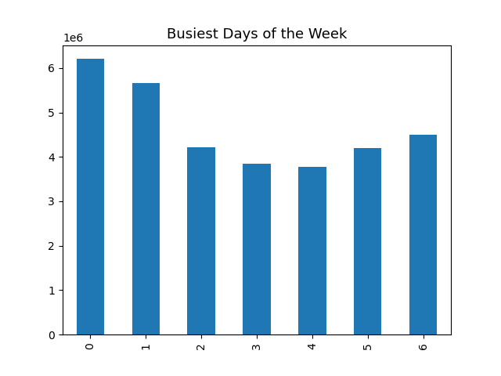
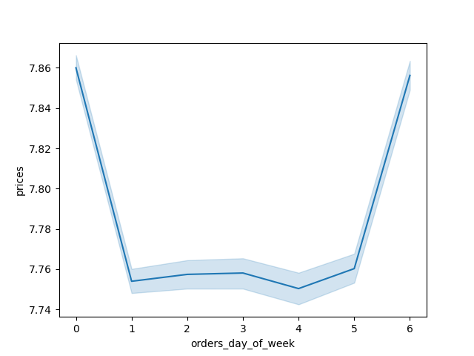

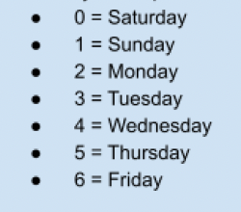

Higher priced items are purchased on Friday and Saturday.
Saturday and Sunday are the busiest days of the week.

They also want to know whether there are particular times of the day when people spend the most money, as this might inform the type of products they advertise at these times.
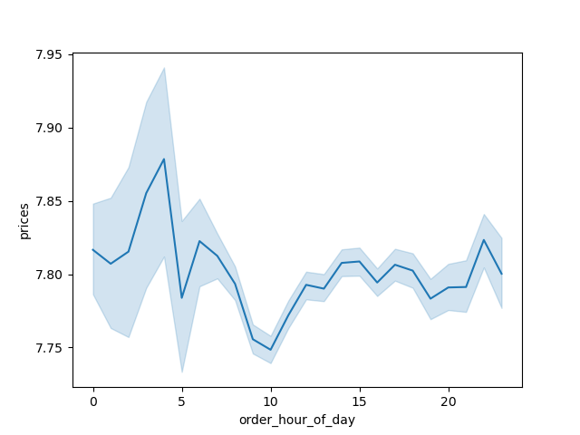


The busiest time of day for orders is between 9:00 AM and 4:00 PM.

Higher priced items are usually purchased at night into the early morning.

Instacart has a lot of products with different price tags. Marketing and sales want to use simpler price range groupings to help direct their efforts.

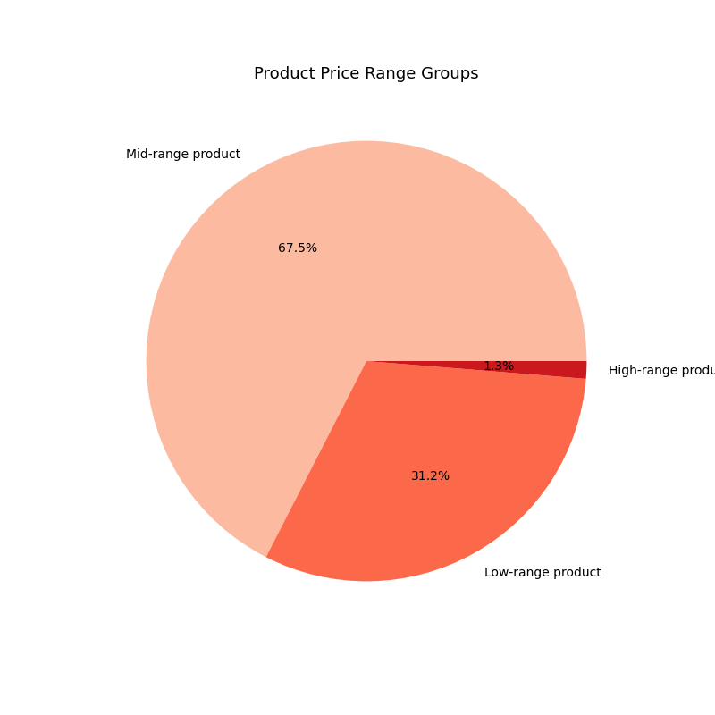

Products range in price up to $25, with the majority of Miproducts priced at $15 or less.

When creating slimpler price range groups, we can see that the majority of products are classified as "Mid-range", followed by "Low-range", and only a small percentage of "High-range" products.

Are there certain types of products that are more popular than others? The marketing and sales teams want to know which departments have the highest frequency of product orders.
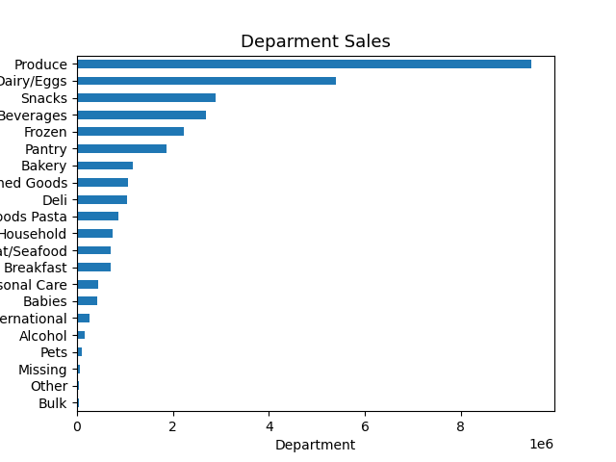

Produce is by far the most popular department, followed by Dairy / Eggs. Snacks, Beverages, Frozen, and Pantry are also very popular. Alcohol, Pets, Other, and Bulk are the least popular.

The marketing and sales teams are particularly interested in the different types of customers in their system and how their ordering behaviors differ.

What’s the distribution among users in regards to their brand loyalty (i.e., how often do they return to Instacart)?
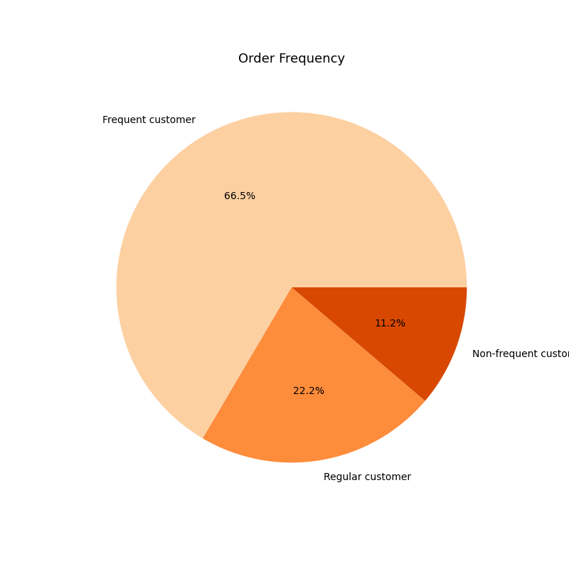
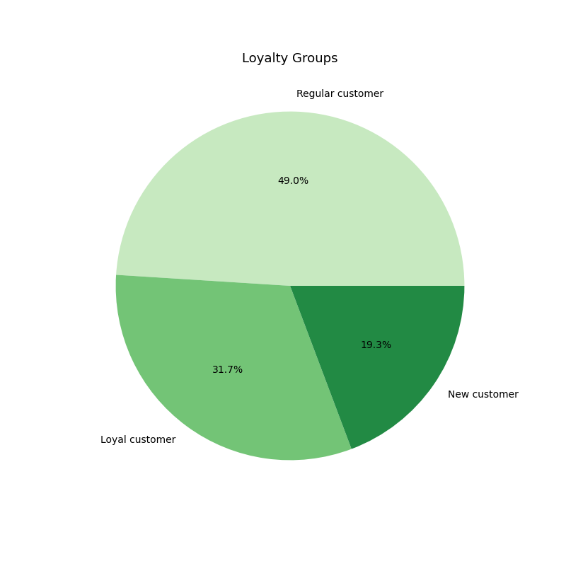

Loyalty Groups:
• Loyal Customer: More than 40 orders
• Regular Customer: 11 - 40 orders
• New Customer: 10 orders or less
• Frequent Customer: Median days since prior order is lower than or equal to 10
• Regular Customer: The median is higher than 10, and lower or equal to 20 days
• Non-Frequent Customer: The median is higher than 20 days

About half of all customers are considered "Regular" customers, followed by "Loyal" customers and "New" customers.
When grouping customers by their order frequency, we can see that over half of all customers are "Frequent" customers, with almost a quarter of customers being "Regular" customers, and only a little over 10% of customers being "Non-frequent" customers.

Are there differences in ordering habits based on a customer’s loyalty status?
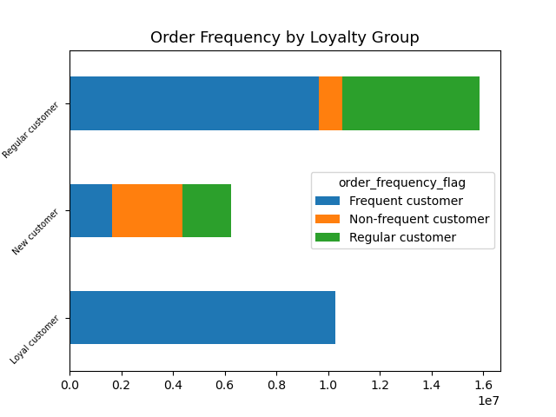

• All "Loyal" customers are frequent customers
• Over half of "Regular" customers are frequent customers, with only a small amount considered non-frequent
• Most "New" customers are non-frequent customers

Are there differences in ordering habits based on a customer’s region?
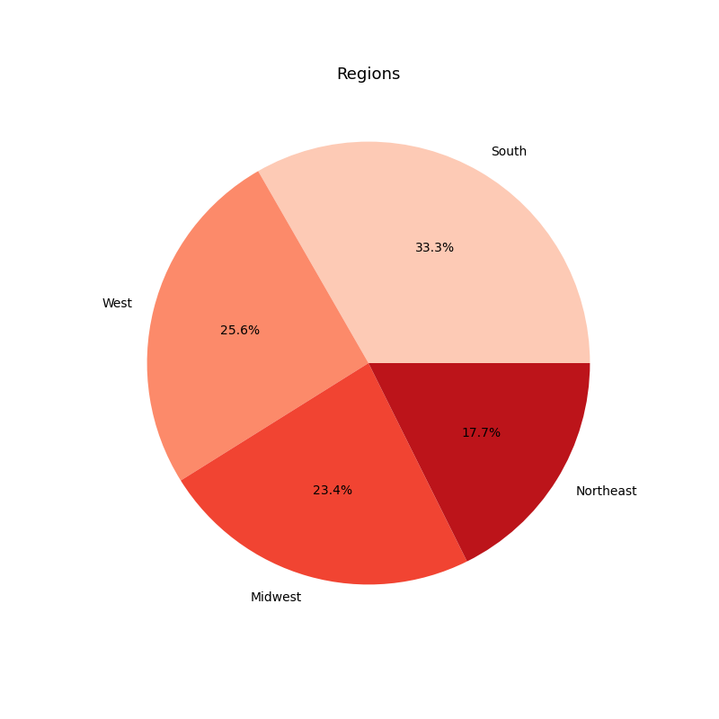
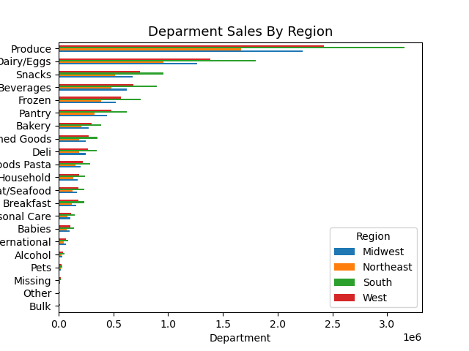

Sales by department are pretty consistant for all regions

The south has the most customers at 33%, with the west and midwest each making up about a quarter, with the least amount in the northeast at almost 18%

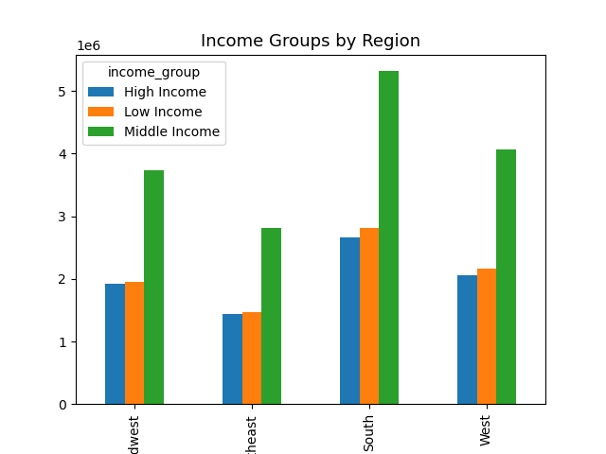
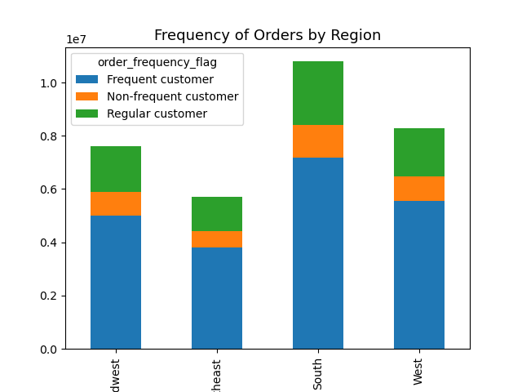
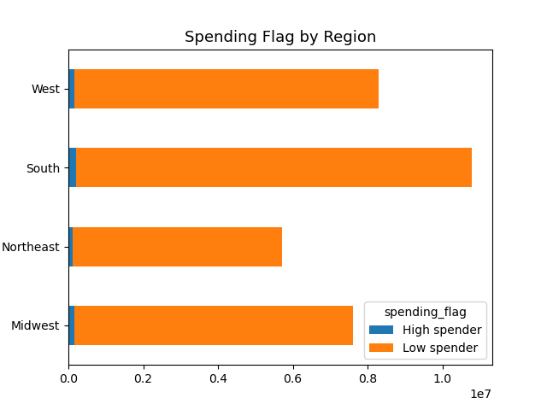

• High Spender: The mean of the prices of products purchased is higher than or equal to $10
• Low Spender: The mean of the prices of products purchased is lower than $10
• Frequent Customer: Median days since prior order is lower than or equal to 10
• Regular Customer: The median is higher than 10, and lower or equal to 20 days
• Non-Frequent Customer: The median is higher than 20 days

Income groups are consistant in all regions with "Middle Income" making up about half of all customers. "High" and "Low" income each make up about a quarter of all customers
Spending habbits are consistant in all regions. An overwhelming majority of customers in all regions are considered "Low Spenders"
The frequency of orders are consistant in all regions with the majority of customers being "Frequent Customers"

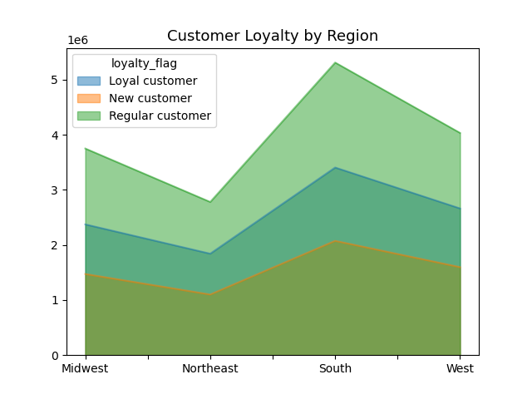
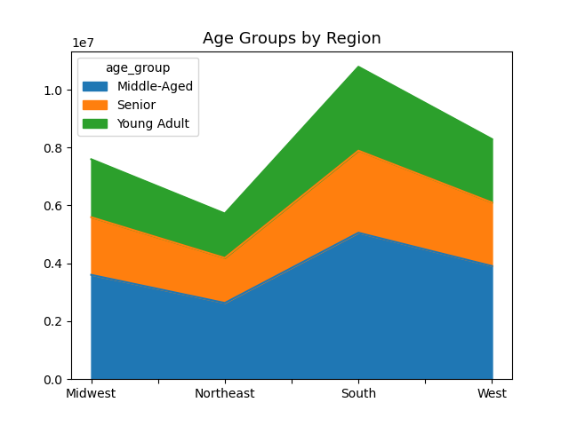

Loyalty groups are consistant in all regions, and with the customer base as a whole
Age groups are consistant in all regions, with the majority of customers being young adults, followed by seniors and lastly middle aged customers

Is there a connection between age and family status in terms of ordering habits?
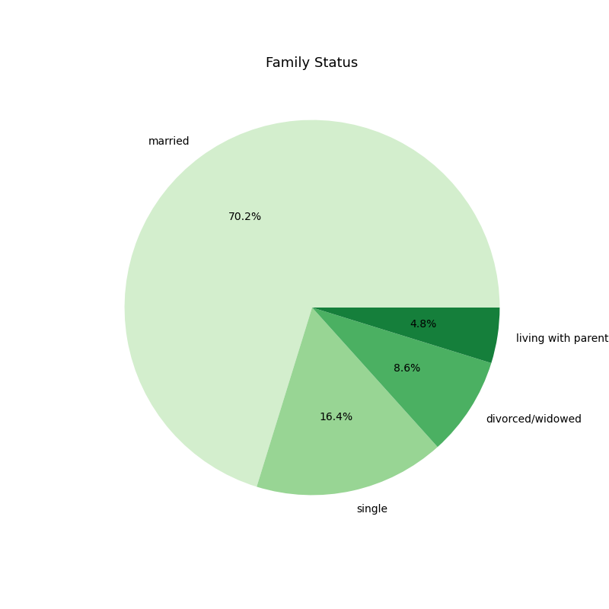


There appears to be no connection between age and having dependents

70% of all customers are married, followed by single at 16%, divorced or widowed at almost 9%, and living with a parent at almost 5%

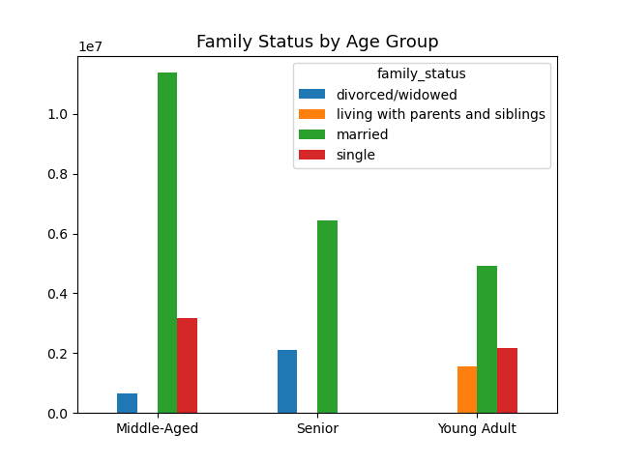
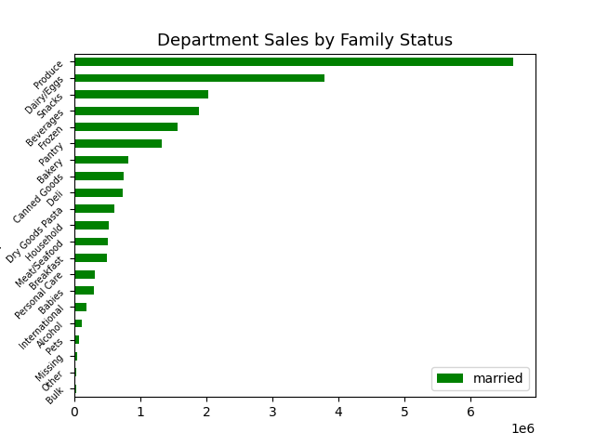

Looking further into the purchasing habits of married people, the types of products they buy remains consistant to that of the whole customer base
Married people dominate the population of all age groups. There appears to be no middle aged or seniors living with parents and siblings, no single seniors, and no divorced or widowed customers that are young adults

What different classifications does the demographic information suggest?
Age? Income? Certain types of goods? Family status?
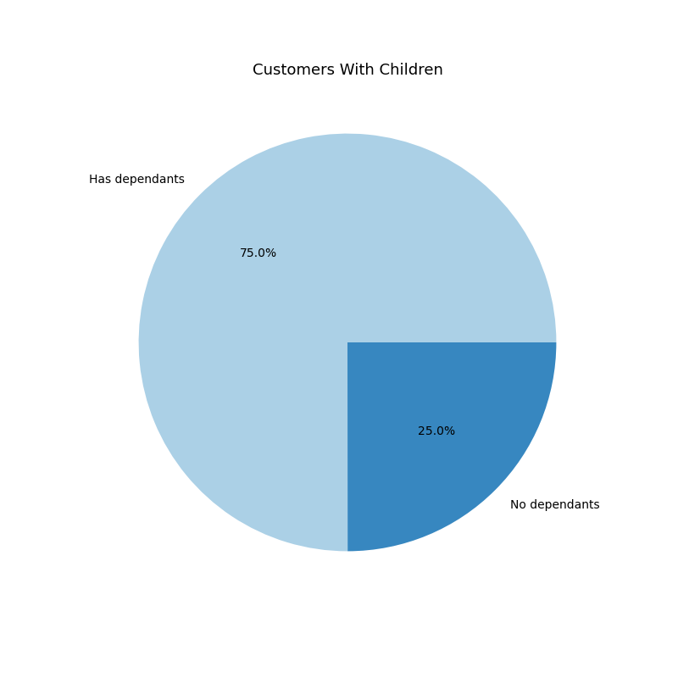
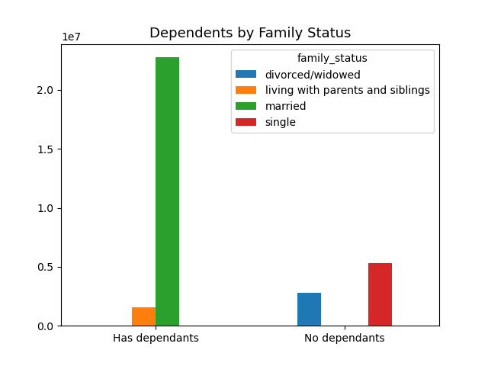

• Only married customers or customers living with parents and siblings have any dependents
• Only divorced/widowed or single customers have no dependents

75% of all customers have dependents

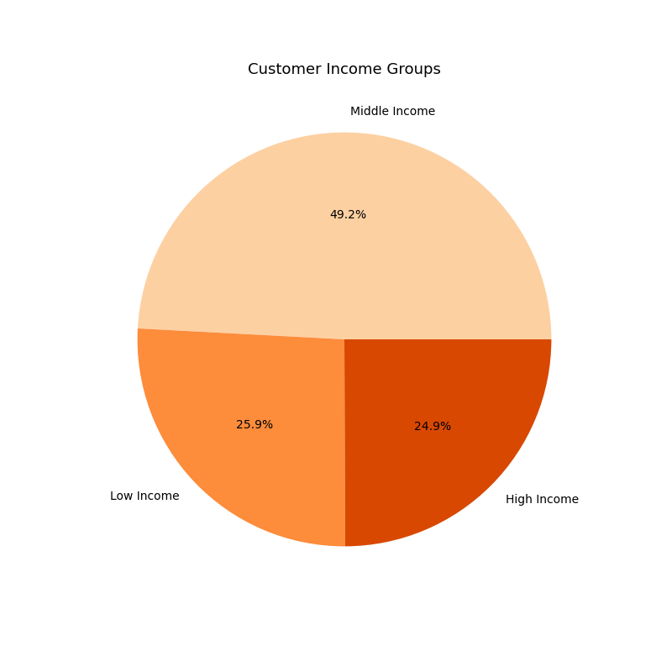
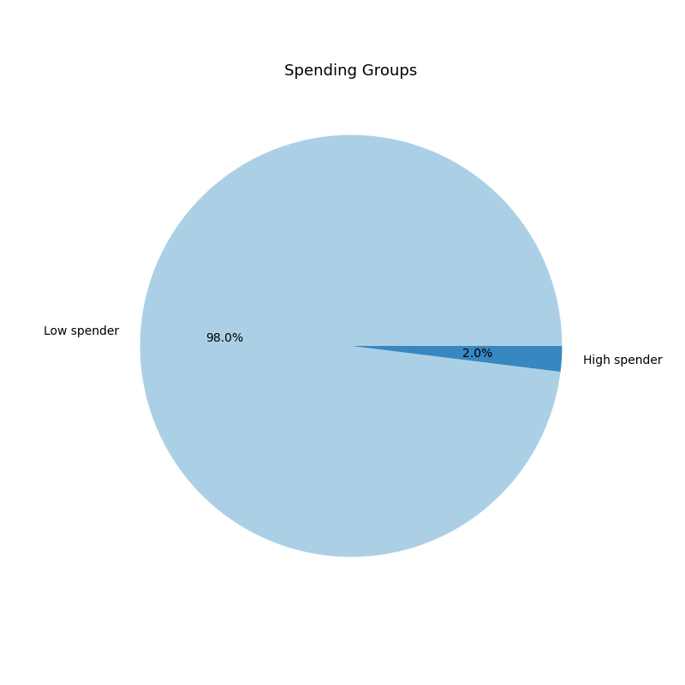

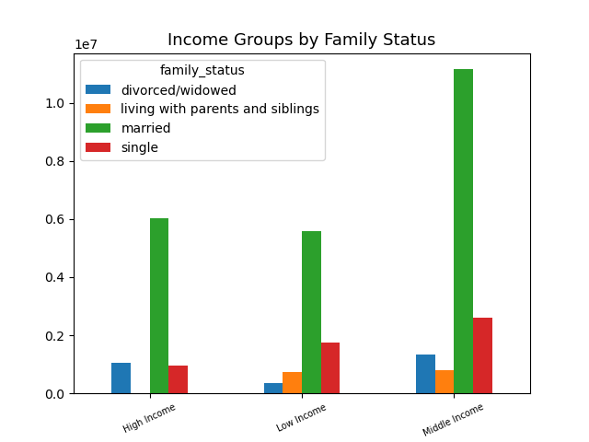

• Married customers make up the majority of all 3 income groups
• There are no high income customers living with parents and siblings
• There are more customers living with parents and siblings than there are divorced/widowed customers in the "Low" income group, but vice versa in the "Middle" income group
Half of all customers fall into the "Middle" income group, with an almost even split of "High" and "Low" income customers in the bottom half
98% of all customers are considered "Low" spenders

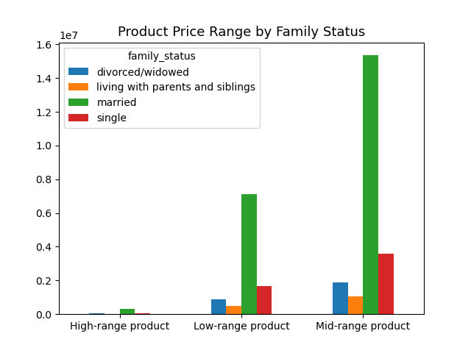
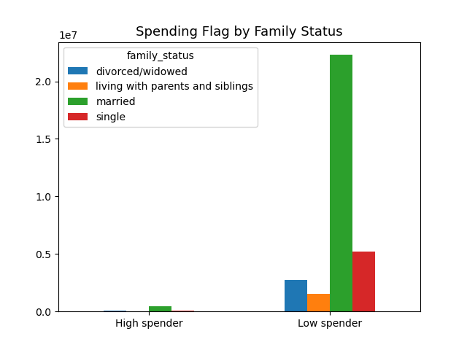
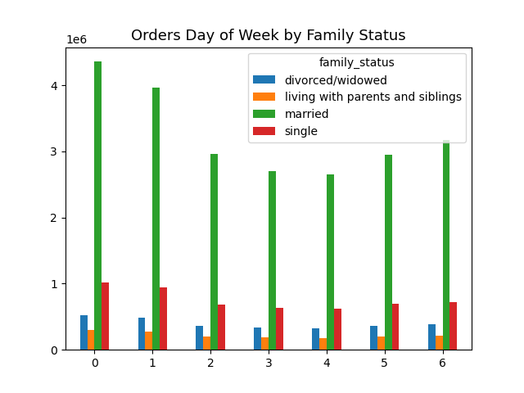

The family status to product price range is consistant for all three price categories, with the majority of customers buying mid-range products, followed by low-range, and very little high-range.
Almost all customers fall under the low spender category despite family status.
The orders by day of the week is consistant for all family status groups


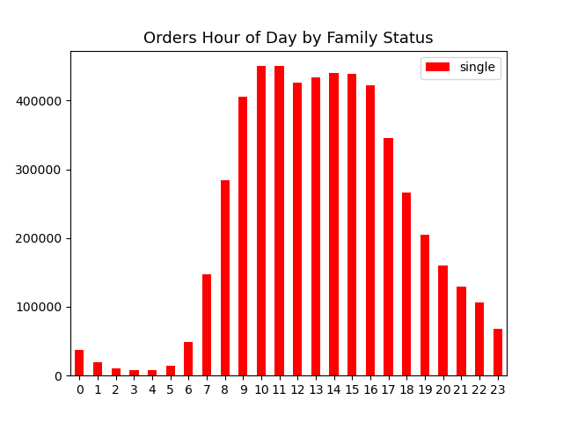

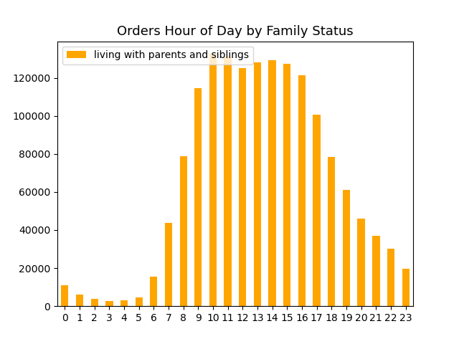
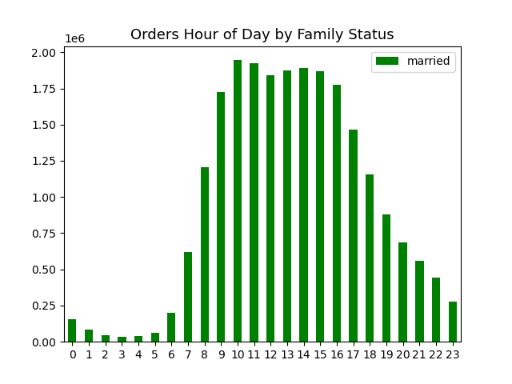

Orders by the time of day are consistant for all family status groups

What differences can you find in ordering habits of different customer profiles?
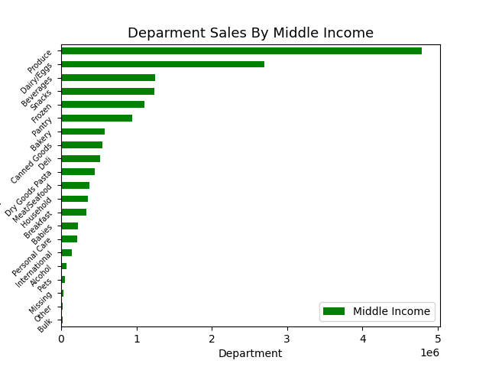
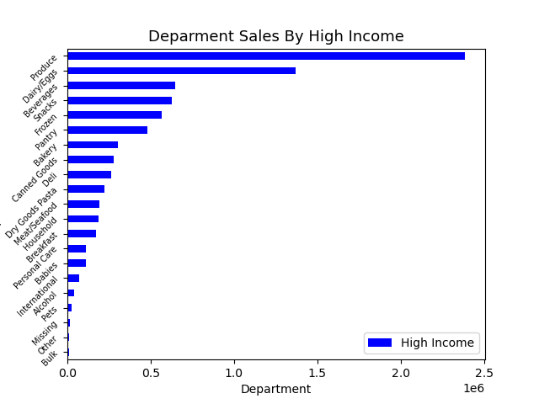

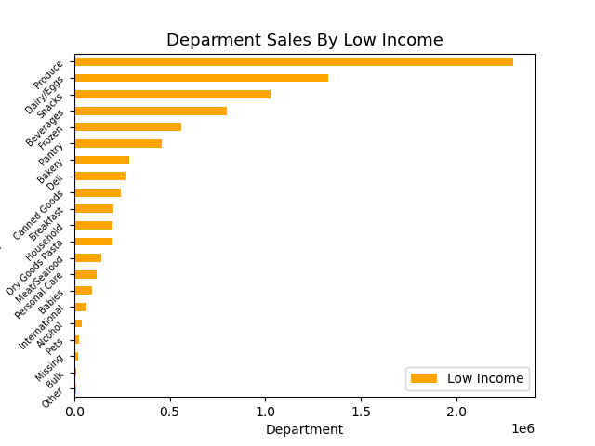

Sales by department are almost identical for middle and high income customers, but with low income customers we see significantly more "snack" and "beverage" sales, with snacks actually ranking 3rd over beverages

7. Recommendations
 | Title page

Recommendations

In this tab you should include any recommendations you would made to Instcart in terms of their marketing strategy based on the questions posed in the brief. Every key question has been covered in the Tasks of the Exercises - here you need to add an item - a visualisation or table/crosstable that is showing the answer in the data, acompanied by a comment from you. Please, list the questions below and add the answer underneath.

Question
The sales team needs to know what the busiest days of the week and hours of the day are (i.e., the days and times with the most orders) in order to schedule ads at times when there are fewer orders.
Answer
Saturday and Sunday are the busiest days of the week and the busiest time of day for orders is between 9:00 AM and 4:00 PM.
Recommendations
Schedule more ads on weekdays from 4:00 PM to 9:00 AM.

Question
They also want to know whether there are particular times of the day when people spend the most money, as this might inform the type of products they advertise at these times.
Answer
Higher priced items are usually purchased at night into the early morning.
Recommendations
Consider offering time-limited promotions or discounts specifically for nighttime shoppers. These promotions could incentivize customers to make purchases during these hours and could also create a sense of urgency, encouraging them to take advantage of the deals before they expire.

Question
Instacart has a lot of products with different price tags. Marketing and sales want to use simpler price range groupings to help direct their efforts.
Answer
Price Range Groupings:
Low-Range Products: Under $5.00
Mid-Range Products: $5.01 - $15.00
High-Range Products: Over $15.00
Mid-range products make up just over 67% of all products offered. Low-range products make up 31%, and high-range products only make up 1%.

Question
Are there certain types of products that are more popular than others? The marketing and sales teams want to know which departments have the highest frequency of product orders.
Answer
Produce is by far the most popular department, followed by Dairy / Eggs. Snacks, Beverages, Frozen, and Pantry are also very popular. Alcohol, Pets, Other, and Bulk are the least popular.
Recommendations
Highlight Popular Departments in Marketing Campaigns: Instacart should focus their marketing efforts on promoting the most popular departments, starting with "Produce" and "Dairy / Eggs." These departments have a high frequency of product orders, indicating that they are in high demand among customers. Offer Bundles and Discounts: Create bundle offers or discounts for products within the popular departments. Bundling items that are often purchased together can entice customers to buy more and can also lead to cost savings, making the shopping experience more appealing. Analyze and Improve Least Popular Departments: While "Alcohol," "Pets," "Other," and "Bulk" departments may be less popular, they still represent potential revenue streams. Conduct further analysis to understand the reasons behind their lower demand. Instacart can explore strategies like expanding the product range, offering promotions, or implementing targeted marketing efforts to increase their visibility and appeal.

Question
The marketing and sales teams are particularly interested in the different types of customers in their system and how their ordering behaviors differ. What’s the distribution among users in regards to their brand loyalty (i.e., how often do they return to Instacart)?
Answer
When grouping customers by their order frequency, we can see that over half of all customers are "Frequent" customers, with almost a quarter of customers being "Regular" customers, and only a little over 10% of customers being "Non-frequent" customers. As for loyalty groups, about half of all customers are considered "Regular" customers, followed by "Loyal" customers and "New" customers.
Recommendations
Reward and Retain Frequent and Loyal Customers: Since a significant portion of customers are "Frequent" and "Loyal," it's essential to implement strategies to reward and retain these valuable customers. Offer loyalty programs, exclusive discounts, or personalized offers to incentivize them to continue shopping with Instacart. Showing appreciation for their repeat business can strengthen their loyalty and increase the likelihood of continued patronage. Target Regular Customers for Upselling and Cross-selling: The "Regular" customer segment is substantial, and these customers already have some level of loyalty. Focus on upselling and cross-selling to this group to increase their average order value. Use data-driven insights to recommend complementary products based on their past purchases, encouraging them to try new items and explore different departments. Engage with New Customers to Encourage Repeat Purchases: Although "New" customers represent a smaller proportion, they have the potential for growth. Focus on providing an excellent onboarding experience for these customers to encourage repeat purchases. Consider offering first-time user discounts or personalized product recommendations to capture their interest and establish a positive shopping relationship. Understand and Re-Engage Non-frequent Customers: The "Non-frequent" customer segment includes occasional or inactive users. Analyze their behavior to identify potential reasons for their infrequent orders. Create targeted re-engagement campaigns to bring them back to the platform. Special promotions or reminders can reignite their interest and prompt them to place orders more frequently.

Question
Are there differences in ordering habits based on a customer’s loyalty status?
Answer
• All "Loyal" customers are frequent customers • Over half of "Regular" customers are frequent customers, with only a small amount considered non-frequent • Most "New" customers are non-frequent customers
Recommendations
Loyal Customers: Offer exclusive loyalty rewards, early access to promotions, and personalized recommendations to further enhance their loyalty and keep them coming back. Regular Customers: Provide incentives for increasing order frequency, such as limited-time offers, discounts, or special bundles. Nudging non-frequent "Regular" customers to become more frequent can boost their overall value. New Customers: Focus on onboarding efforts, ensuring a smooth and enjoyable shopping experience. Implement targeted welcome offers to encourage them to make more purchases and convert them into loyal or regular customers.

Question
Are there differences in ordering habits based on a customer’s region?
Answer
The south has the most customers at 33%, with the west and midwest each making up about a quarter, with the least amount in the northeast at almost 18%. Sales by department are pretty consistant for all regions.
Recommendations
Regional Partnerships: Consider forming partnerships with local businesses, suppliers, or farms in different regions. This can help source and promote region-specific products, enhancing the appeal of Instacart's offerings and attracting more customers.

• Income groups are consistant in all regions with "Middle Income" making up about half of all customers. "High" and "Low" income each make up about a quarter of all customers.
• Spending habbits are consistant in all regions. An overwhelming majority of customers in all regions are considered "Low Spenders".
• The frequency of orders are consistant in all regions with the majority of customers being "Frequent Customers".

Based on consistent findings of income groups, spending habits, and order frequency across all regions, Instacart should focus on providing cost-effective options and budget-friendly promotions for the majority of "Low Spenders." Implement a universal loyalty program for "Frequent Customers" in all regions while utilizing data-driven insights to personalize marketing for "High," "Middle," and "Low Income" customers.

Question
Is there a connection between age and family status in terms of ordering habits?
Answer
• The majority of customers are young adults, followed by seniors and lastly middle aged customers. • 70% of all customers are married, followed by single at 16%, divorced or widowed at almost 9%, and living with a parent at almost 5%. • There appears to be no connection between age and having dependents. • Married people dominate the population of all age groups. There appears to be no middle aged or seniors living with parents and siblings, no single seniors, and no divorced or widowed customers that are young adults. • Looking further into the purchasing habits of married people, the types of products they buy remains consistant to that of the whole customer base.
Recommendations
Targeting Young Adults and Married Customers: Given that the majority of customers are young adults and 70% are married, Instacart should focus on targeted marketing campaigns to attract and retain these segments. Tailor promotions and offers that align with the preferences and needs of young adults and families. Special Considerations for Senior Customers: While seniors form a smaller segment of the customer base, they represent an important demographic. Create a senior-friendly shopping experience by providing easy-to-navigate interfaces, larger fonts, and personalized recommendations that suit their preferences.

Question
What different classifications does the demographic information suggest? Age? Income? Certain types of goods? Family status?
Answer
• 75% of all customers have dependents • Only married customers or customers living with parents and siblings have any dependents • Only divorced/widowed or single customers have no dependents
Recommendations
Targeted Marketing for Customers with Dependents: Since 75% of all customers have dependents, Instacart should focus on targeted marketing campaigns to cater to the needs of these customers. Highlight family-friendly products, bulk items, baby care products, and household essentials to resonate with households with dependents. Support for Divorced/Widowed and Single Customers: Acknowledge that customers who are divorced, widowed, or single do not have dependents. Offer products and promotions that cater to individual needs and preferences, considering their lifestyle and household requirements.

Answer
• Half of all customers fall into the "Middle" income group, with an almost even split of "High" and "Low" income customers in the bottom half • 98% of all customers are considered "Low" spenders • Married customers make up the majority of all 3 income groups • There are no high income customers living with parents and siblings • There are more customers living with parents and siblings than there are divorced/widowed customers in the "Low" income group, but vice versa in the "Middle" income group
Recommendations
Income and Spending Habits: Despite the income distribution, a significant majority of customers (98%) are considered "Low" spenders, indicating a trend of cautious spending across income levels. Targeted Offers for High-Income Customers: Instacart should focus on targeted marketing to attract high-income customers, offering premium products and exclusive promotions that match their purchasing power. Segmented Marketing for Low-Income Customers: With a quarter of customers falling into the "Low" income group, create customized marketing strategies for this segment, providing affordable products and promotions that cater to their budget constraints.

Answer
• The family status to product price range is consistant for all three price categories, with the majority of customers buying mid-range products, followed by low-range, and very little high-range. • Almost all customers fall under the low spender category despite family status. • The orders by day of the week is consistant for all family status groups.
Recommendations
Focus on Mid-Range Products: Given that the majority of customers from all family status groups prefer mid-range products, Instacart should ensure a wide selection of quality mid-range items to meet the needs of its diverse customer base. Targeted Marketing for "Low Spenders": Since almost all customers are "Low Spenders," Instacart should design promotions, discounts, and special offers that cater to this spending behavior. Focus on affordability and value to attract and retain these customers.

Question
What differences can you find in ordering habits of different customer profiles?
Answer
Sales by department are almost identical for middle and high income customers, but with low income customers we see significantly more "snack" and "beverage" sales, with snacks actually ranking 3rd over beverages.
Recommendations
Targeted Promotions for Low-Income Customers: Given the higher sales in the "Snack" and "Beverage" departments among low-income customers, Instacart should consider targeted promotions and offers on snack items and beverages to further appeal to this customer segment. Offer cost-effective deals and discounts on these products to cater to their preferences and budget constraints.

